TA-ERT
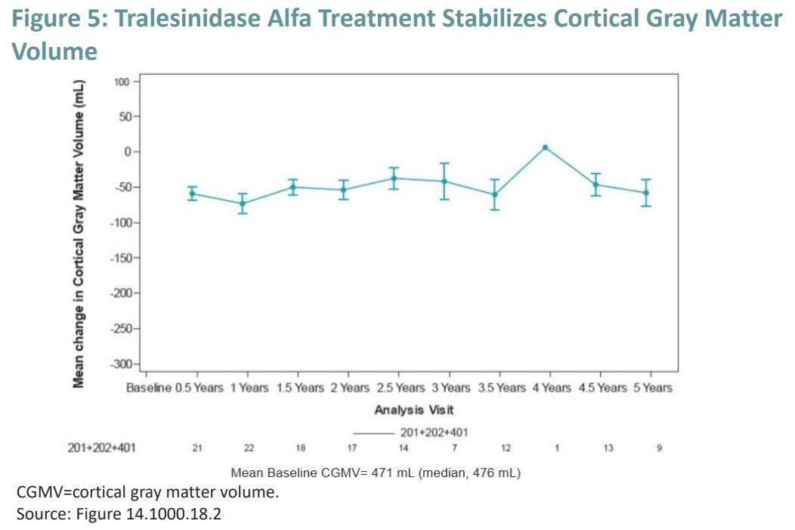
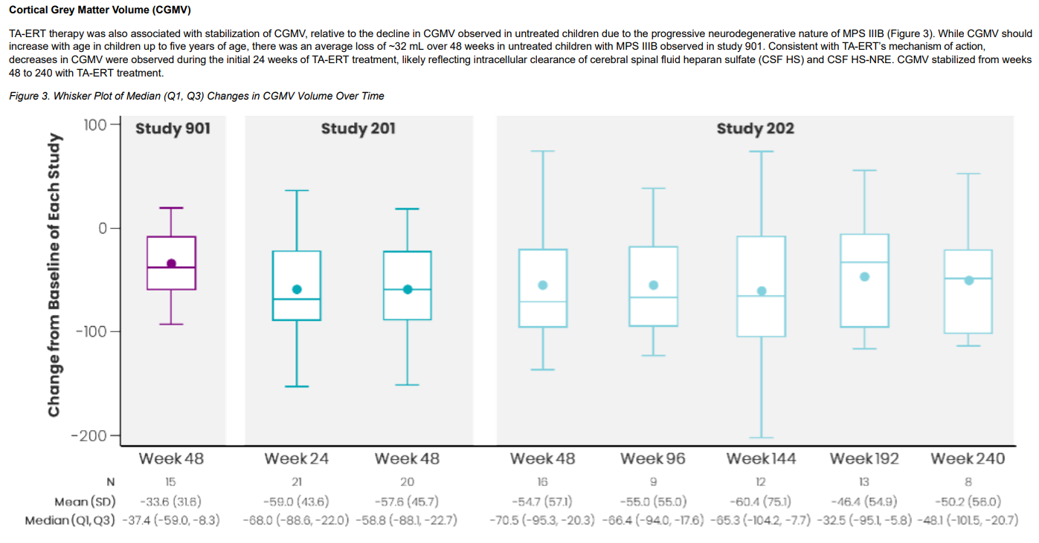
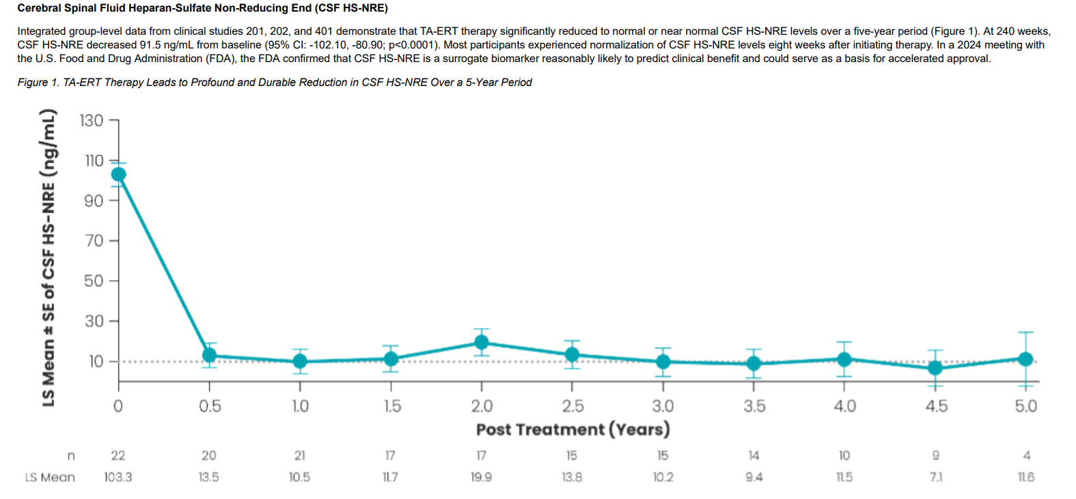
main
 | Brand | TA-ERT tralesinidase alfa ERT
 | Generic
 | Indication | MPS IIIB

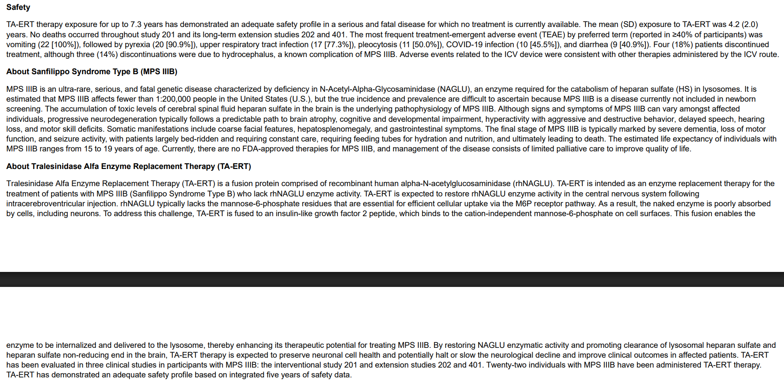

 | approval | BLA expected Q4 2026

 | data
 |  | significant and durable reductions in CSF HS-NRE
 |  | sustained over 5 years
 |  | CGMV data (cortical grey matter volume) stabilized

 | trial

 |  | Phase 3 trial n=14
 |  | placebo-controlled, 5 year study
 |  | confimatory to be launched

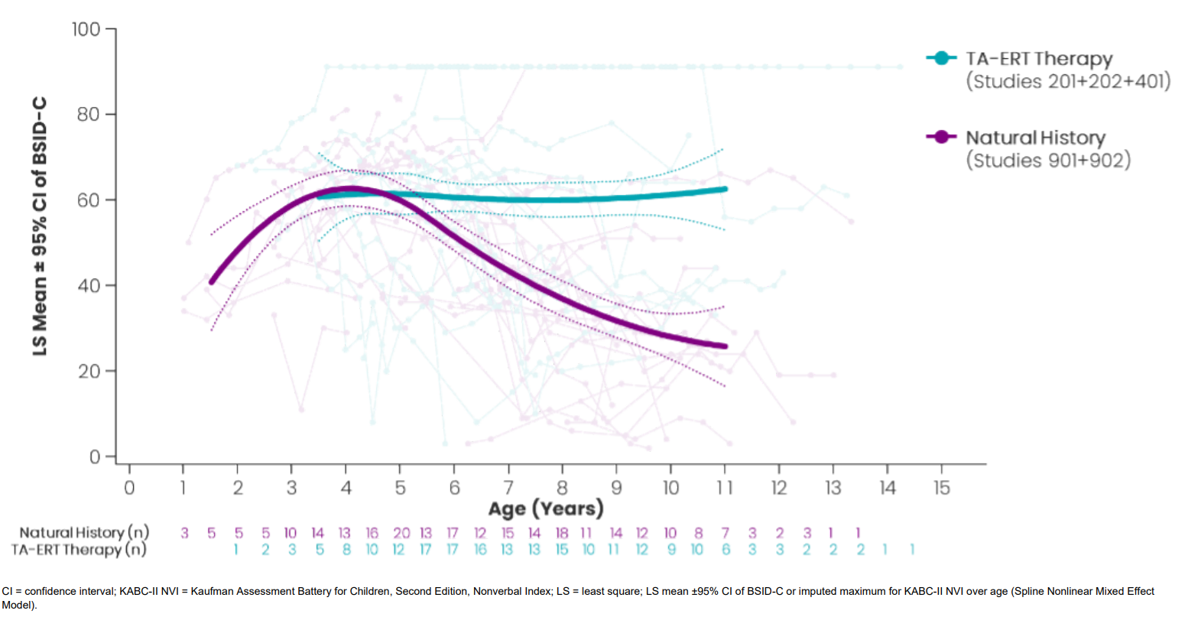
 |  | Phase 1/2 trial n=22 NCT02754076
 |  | 2012-2019
 |  | kids 2-9
 |  | BMN250

 |  | 2019-2023
 |  | Allievex | Bankrupt in 2023
 |  | AX250

 |  | Biomarin basically owns the upside economics. If SPRB gets this approved and sells a lot
 |  | BioMarin collects up to 122.5M in milestones plus low-to-mid teens royalties

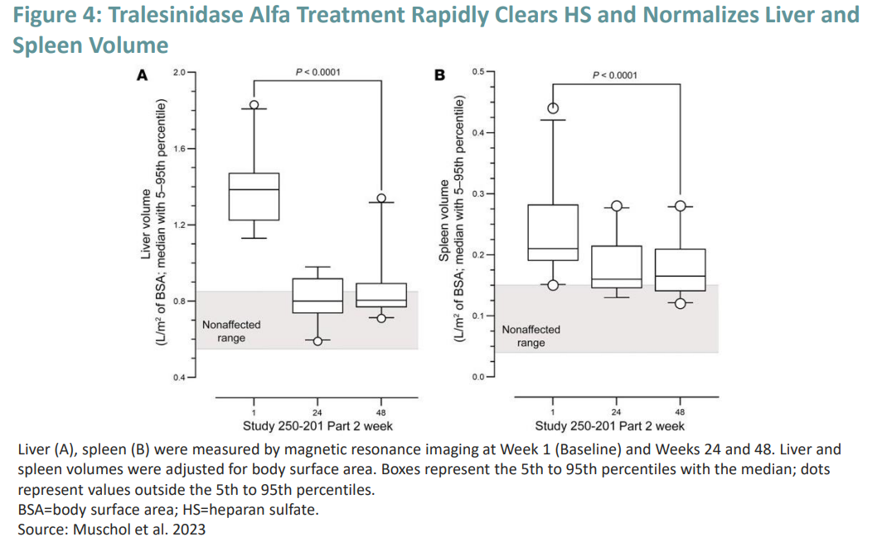

 | https://investors.sprucebio.com/static-files/fd883b1f-8ba0-41bf-89a2-17b91cbfb32c

